1. Title Page
Grocery Basket Analysis

Project Name: Instacart Grocery Basket Analysis
Date: 7/11/2023
Analyst Name: Kareem Khouja

Contents:
Population Flow
Consistency checks
Wrangling steps
Column derivations
Visualizations & Recommendations

Data Citation: “The Instacart Online Grocery Shopping Dataset 2017”, Accessed from www.instacart.com/datasets/grocery-shopping-2017 via Kaggle on July 11, 2023.
Note: Customer data and prices column were fabricated for this project and do not contain real-world information.

2. Population Flow
Title page

Population flow

Exclusion flag
Condition: max_order < 5
Obervations to be removed: 1,440,295 rows
Final total count of order_products_all: 30,964,564

Orders_products_combined
Orders_products_merged
Orders_products_all

Total: 32,404,859
Total: 32,434,489
Total: 32,404,859

3. Consistency checks
 |  |  |  |  | Title page
Consistency checks

Dataset | Mixed Types | Mixed Types Treatment | Missing values | Missing values treatment | Duplicates
products |  |  |  |  | There were 5 duplicate rows in the dataframe so we removed them
products |  |  | 16 rows missing values in product_name column | We removed the missing values from the dataframe
customers | First Name column had mixed types | We updated the whole column to string type
Orders Products All |  |  | We are missing 206,209 values in the days_since_prior_order column. | Our hypothesis is that these exist since there can't be days before a first order. We performed a crosstab check between the days_since_prior_order column and the order_number column and our hypothesis was correct. Thus, the missing values were not removed.

4. Wrangling steps
 |  |  |  | Title page
Wrangling steps

Dataframe | Columns dropped | Columns renamed | Columns' type changed | Comment/Reason
orders |  | order_dow renamed to orders_day_of_week |  | "days_of_week" is more intuitive than "dow"
orders |  |  | order_id | Changed to string since this column is non-numeric
orders |  |  | user_id | Changed to string since this column is non-numeric
customers |  | Surnam renamed to Surname |  | Surnam was mispelled
customers |  | n_dependants renamed to num_of_dependants |  | num_of_dependants is more intuitive
customers |  |  | user_id | Changed to string since this column is non-numeric

5. Column derivations
 |  |  | Title page

Column derivations and aggregations

Dataset | New column | Column/s it was derived from | Conditions
orders_products_merged | price_range_loc | prices | Rows with prices less than 5 were labeled "low range product" Rows with prices above 5 but equal to or below 15 were labeled "mid range product" Rows with prices above 15 were labeled "high range product"
orders_products_merged | busiest_day | orders_day_of_weeks | Rows with orders on Saturday were labeled "busiest day" Rows with orders on Wednesday were labeled "least busy" Rows with orders on all other days were labeled "regularly busy"
orders_products_merged | busiest_days | orders_day_of_weeks | Rows with orders on Saturday & Sunday were labeled "busiest days" Rows with orders on Wednesday & Tuesday were labeled "least busy" Rows with orders on all other days were labeled "regularly busy"
orders_products_merged | busiest_period_of_day | order_hour_of_day | Rows with orders at 10am, 11am, 12pm, 1pm, 2pm & 3pm were labeled "Most orders" Rows with orders at 2am, 3am, 4am, & 5am were labeled "Fewest orders" Rows with orders at all other hours were labeled "Average orders"
orders_products_merged | max_order | user_id, order_number | We found the maximum orders for each user.
orders_products_merged | loyalty_flag | max_order | We used the max_order column and the following conditions: If the maximum orders the user has made is over 40, then the customer will be labeled a “Loyal customer” If the maximum orders the user has made is over 10 but less than or equal to 40, then the customer will be labeled a “Regular customer” If the maximum orders the user has made is less than or equal to 10, then the customer will be labeled a “New customer”
orders_products_merged | average_spending | user_id, prices | We found the average amount of money spent per user.
orders_products_merged | spending_flag | average_spending | We used the average_spending column and the following conditions: If the mean of the prices of products purchased by a user is lower than 10, then flag them as a “Low spender” If the mean of the prices of products purchased by a user is higher than or equal to 10, then flag them as a “High spender”
orders_products_merged | median_days | user_id, days_since_prior_order | We found the median days since each user's last order.
orders_products_merged | order_frequency_flag | median_days | We used the median_days column and the following conditions: If the median of “days_since_prior_order” is higher than 20, then the customer should be labeled a “Non-frequent customer” If the median is higher than 10 and lower than or equal to 20, then the customer should be labeled a “Regular customer” If the median is lower than or equal to 10, then the customer should be labeled a “Frequent customer”
orders_products_all | Region | State | We used the State column to place each user into their respective geographic Region.
orders_products_all | exclusion_flag | max_order | We used the max_order column and the following conditions: If the maximum orders the user has made is more than or equal to five, then the customer will be labeled a "High activity customer” If the maximum orders the user has made is less than five, then the customer will be labeled a “Low activity customer”
orders_products_all | income_group | income | We used the income column and the following conditions: If the users income is less than or equal to $52,000, then the customer will be labeled as "Low Income” If the users income is greater than $52,000 and less than or equal to $150,000, then the customer will be labeled as "Middle Income” If the users income is greater than $150,000, then the customer will be labeled as "High Income”
orders_products_all | age_group | Age | We used the Age column and the following conditions: If the users age is less than or equal to 30, then the customer will be labeled as a "Young Adult" If the users age is greater than 30 and less than or equal to 60, then the customer will be labeled as "Middle Aged" If the users age is greater than 60, then the customer will be labeled as "Elderly"
orders_products_all | dependants_flag | num_of_dependants | We used the num_of_dependants column and the following conditions: If the user has no dependants, then the customer will be labeled as "No Dependants" If the user has any number of dependants, then the customer will be labeled as "Has Dependants"
orders_products_all | customer_profile | age_group, dependants_flag | We used the dependants_flag and age_group flag columns and the following conditions: If a user is a young adult and has no dependants, they are a young adult w/ no children. If they have dependants, they are a young parent. If a user is a middle-aged adult and has no dependants, they are a middle-aged adult w/ no children. If they have dependants, they are a middle-aged parent. If a user is elderly and has no dependants, they are a elderly w/ no children. If they have dependants, they are an elderly parent.

6. Visualizations & Recs
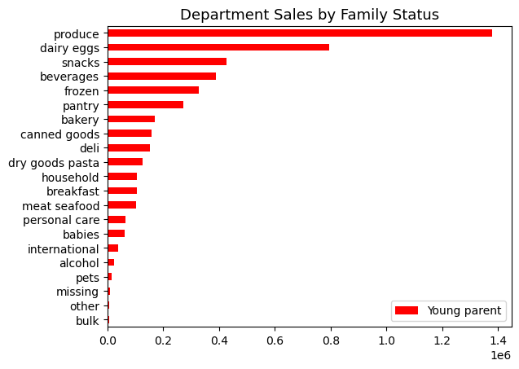
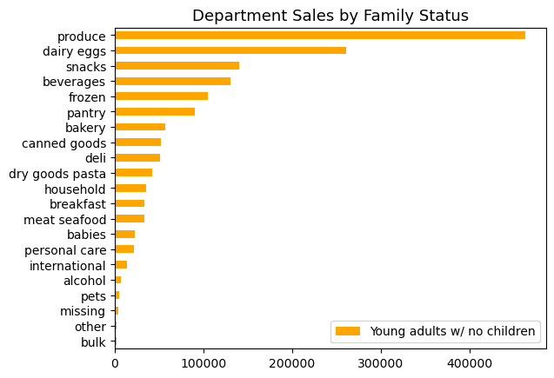
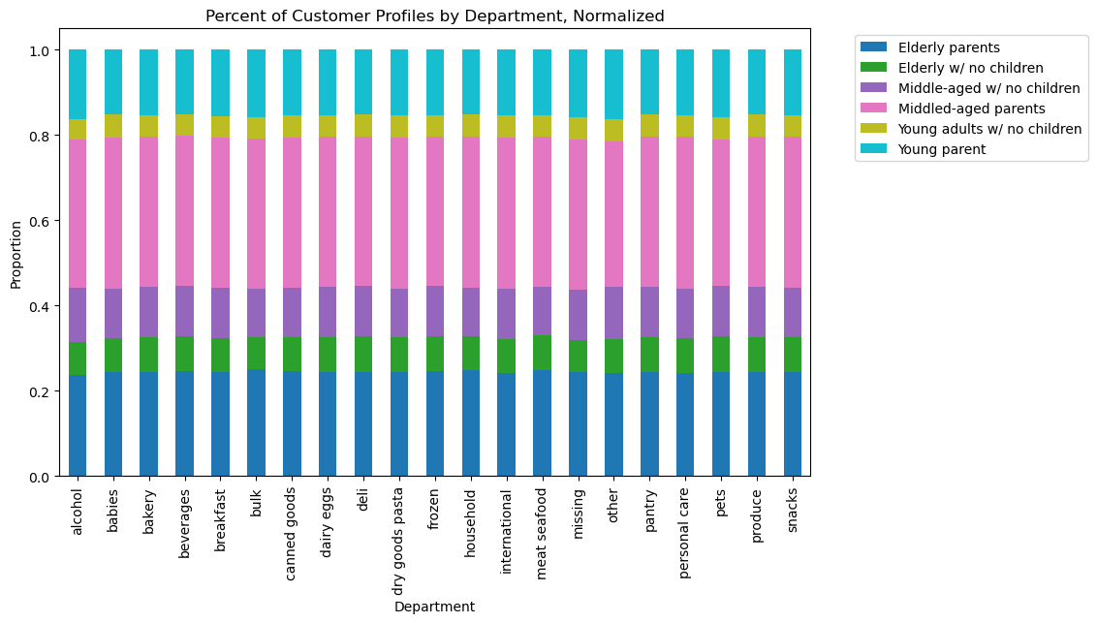
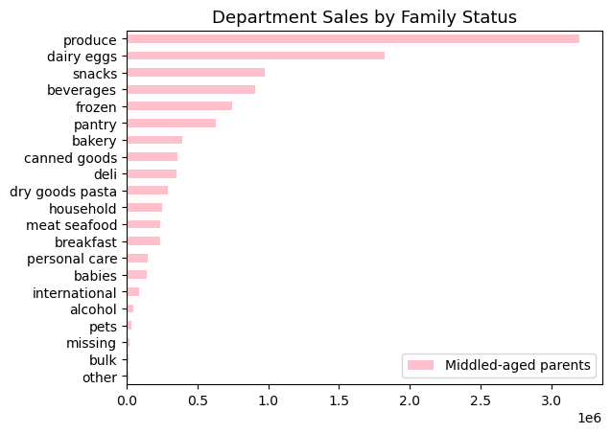
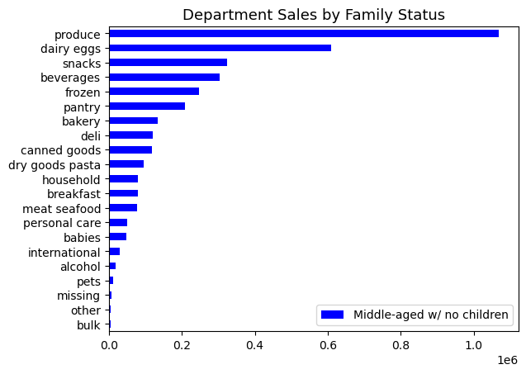
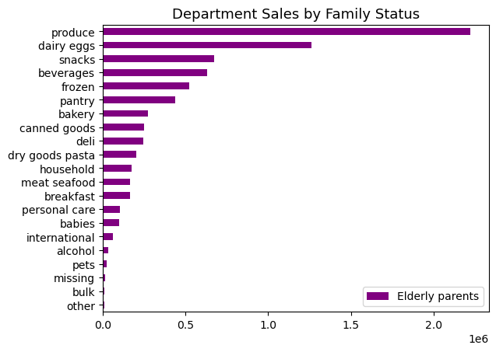
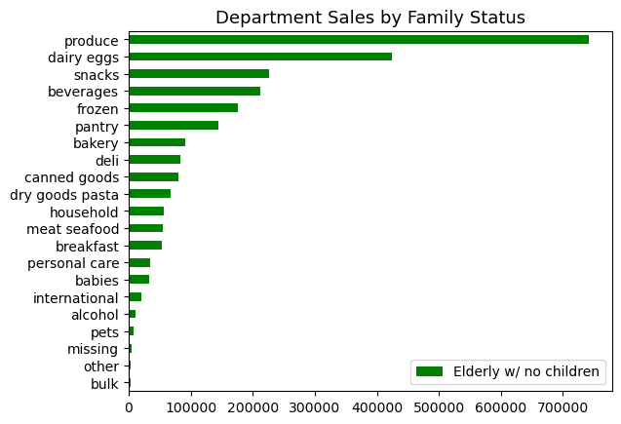
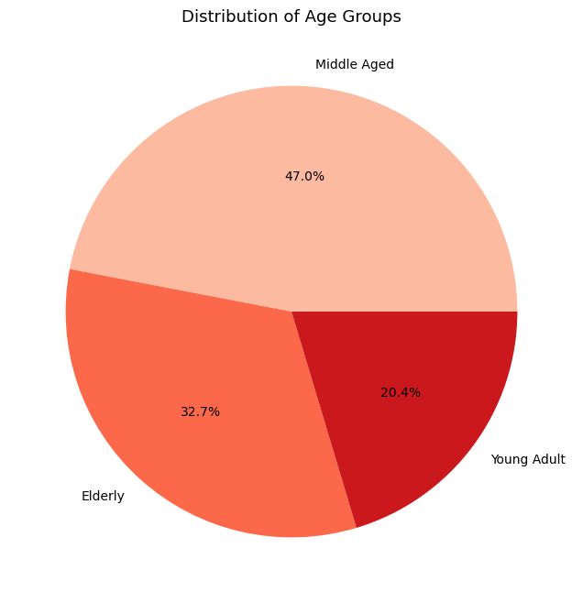
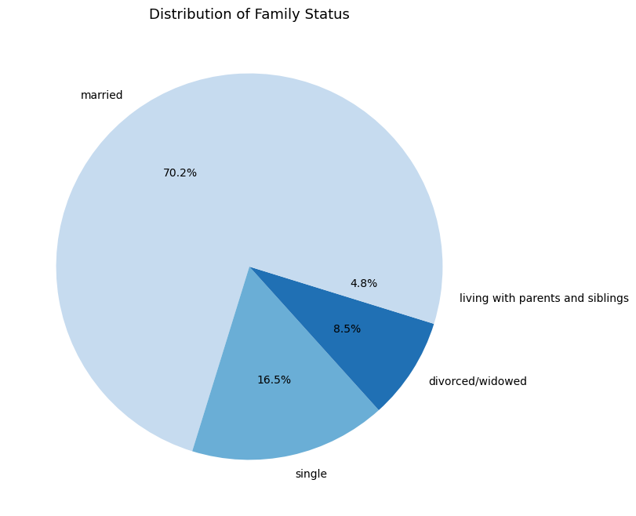
 |  |  |  |  | Title page
Recommendations
Visualizations

 | Busiest Days of the Week |  |  | Busiest Hours of the Day
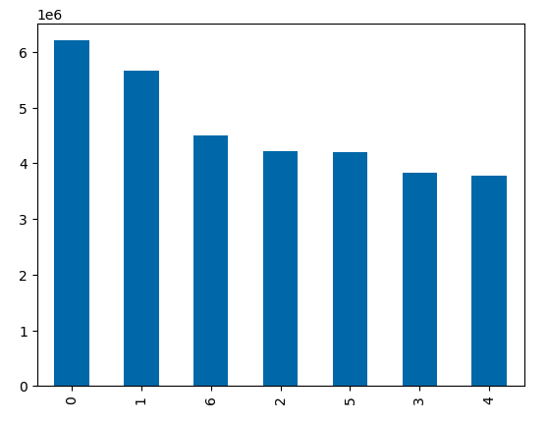


 |  |  |  |  |  |  | Question | Answer
 |  |  |  |  |  |  | 1. The sales team needs to know what the busiest days of the week and hours of the day are (i.e., the days and times with the most orders) in order to schedule ads at times when there are fewer orders. | The busiest days of the week are Saturday and Sunday. The busiest hours of the day are between 10am and 3pm/4pm.
 |  |  |  |  |  |  | Recommendation
 |  |  |  |  |  |  | We should focus our maketing efforts during the weekdays and outside of the hours of 10am to 3pm/4pm.

 |  |  | Prices by Order Hour of the Day
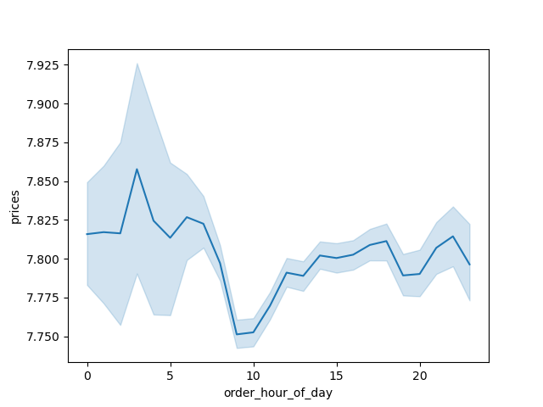

 |  |  |  |  |  |  | Question | Answer
 |  |  |  |  |  |  | 2. They also want to know whether there are particular times of the day when people spend the most money, as this might inform the type of products they advertise at these times. | It looks like more expensive items are bought in the morning hours (midnight through 8am), with a peak at 3am. Then, cheaper products make up the builk of purchases from 8am to about 1pm). From 1pm to midnight, prices go up again, however, they hover just under the types of prices we see in the morning.
 |  |  |  |  |  |  | Recommendation
 |  |  |  |  |  |  | We should consider sending out push notifications in the mornings that include flash sales and discount codes to incentivize users to make more purchases during the morning. We can focus on beverages such as caffeinated drinks and breakfast foods like breakfast sandwiches. At night we can do the same for produce as users may be looking to grab ingredients for dinner.

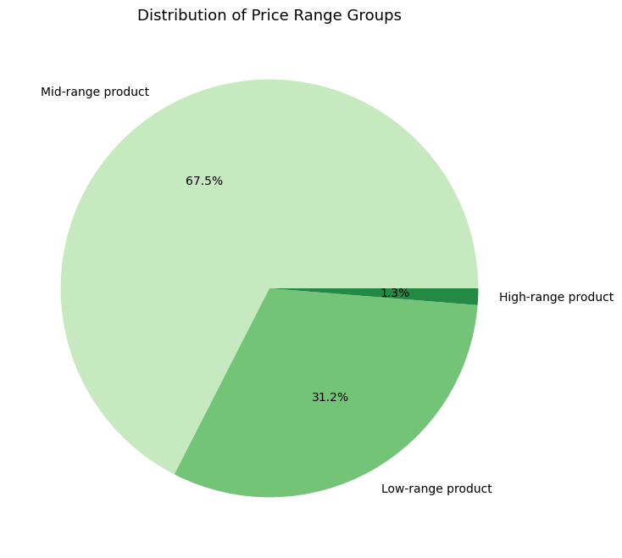

 |  |  |  |  |  |  | Question | Answer
 |  |  |  |  |  |  | 3. Instacart has a lot of products with different price tags. Marketing and sales want to use simpler price range groupings to help direct their efforts. | We've created simpler price range groupings per the marketing and sales team's request. We used the following criteria: Rows with prices less than 5 were labeled "low range product" Rows with prices above 5 but equal to or below 15 were labeled "mid range product" Rows with prices above 15 were labeled "high range product"
 |  |  |  |  |  |  | Recommendation
 |  |  |  |  |  |  | N/a

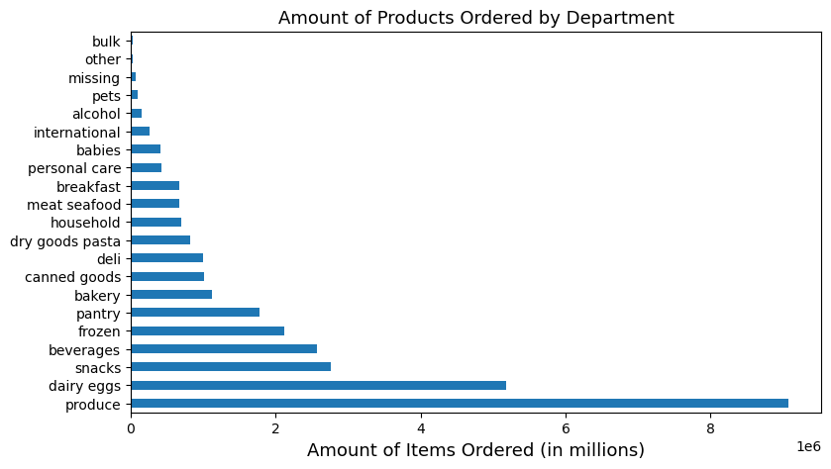

 |  |  |  |  |  |  | Question | Answer
 |  |  |  |  |  |  | 4. Are there certain types of products that are more popular than others? The marketing and sales teams want to know which departments have the highest frequency of product orders. | Produce products are the most popular out of any product with over 8 million items sold. Second most are dairy/eggs products at around 5 million sold.
 |  |  |  |  |  |  | Recommendation
 |  |  |  |  |  |  | As we mentioned in recommendation 2, we can look at flash discounts and sale during the night time to help push users to making more produce purchases at those times. We can do the same with dairy/eggs in the morning hours since users may be looking for breakfast ingredients. We can look into promoting "bundles" of products to users to incentivize purchases across departments. For example, we could advertise the "romantic dinner date at home" where we promote a bottle of wine along with pasta and a type of meat or seafood. This could be targeted towards married couples to get them to make purchases across three whole departments. We can do further analysis to see what more bundles of these sorts we can create for promotion.

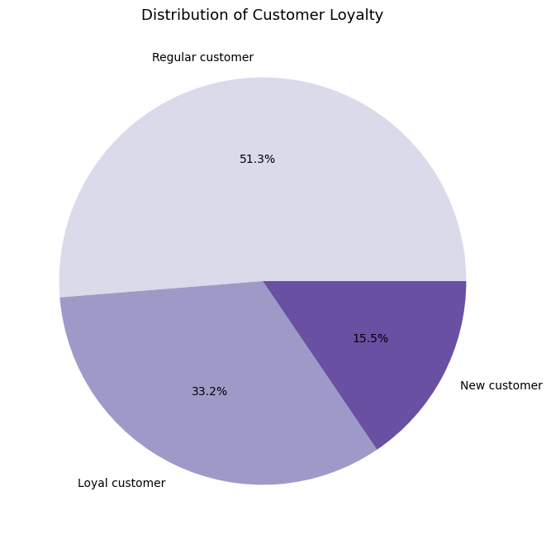
 |  |  |  |  |  |  | Question | Answer
 |  |  |  |  |  |  | 5. What’s the distribution among users in regards to their brand loyalty (i.e., how often do they return to Instacart)? | Over 50% of our customers are regular customers (they have made between 10 and 40 orders). Around 33% of customers are loyal customers (they have made over 40 orders). Around 15% of customers are new customers (they have made less than 10 orders).
 |  |  |  |  |  |  | Recommendation
 |  |  |  |  |  |  | Reward loyal customers with discount codes. This will make them feel valued and ensure they stick with our brand. We can also implement a type of referral program where customers can receive credit for each person that signs up with their referral code. Considering how loyal these customers are, they are more likely to speak highly of our brand and convince friends and family to sign up. Those that sign up can also get a smaller credit to incentivize them to sign up. Since regular customers make up the bulk of our users, we want to focus most of our marketintg efforts towards them. That means identifying trends in their purchases and using that to encourage them to return to the app. For example, if we identify that some of these users are pet owners, we can send them emails asking them if it's time to replace their pets food or suggest toys their pets might like. This will get them making more purchases. In regards to new customers, we can implement a similar trend-identifying marketing system to get them to continue using the platform. We can employee Abandoned Cart marketing emails for those that have been slow to make purchases.

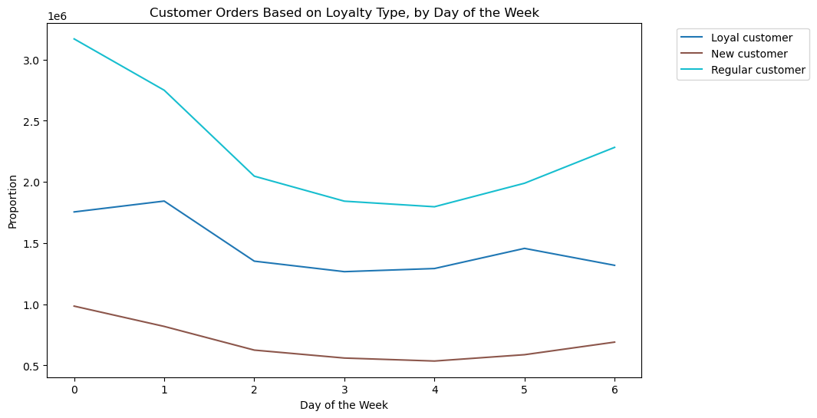

 |  |  |  |  |  |  | Question | Answer
 |  |  |  |  |  |  | 6. Are there differences in ordering habits based on a customer’s loyalty status? | Overall, regular customers place the most orders compared to loyal customers and, not so surprisingly, new customers. However, order trends are similar across all the loyalty types: Weekends see the most orders, and most orders are placed between 8am and 7pm. One thing to note: we see that only loyal customers are frequent customers. Though they may make fewer orders compared to regular customers, they make more FREQUENT orders.
 |  |  |  |  |  |  | Recommendation
 |  |  |  |  |  |  | Since we see no real differences in ordering trends amongst the different loyalty types, we should follow the same recommendations as we did in recommendation 5. However, since we see that loyal customer are the most frequent customers, we should look into a program that awards frequent purchases. For example, if a user makes 5 purchases in a week, they can get a $10 gift card to use on their next purchase. This would incentivize these loyal customers to continue being frequent customers.
 |  | 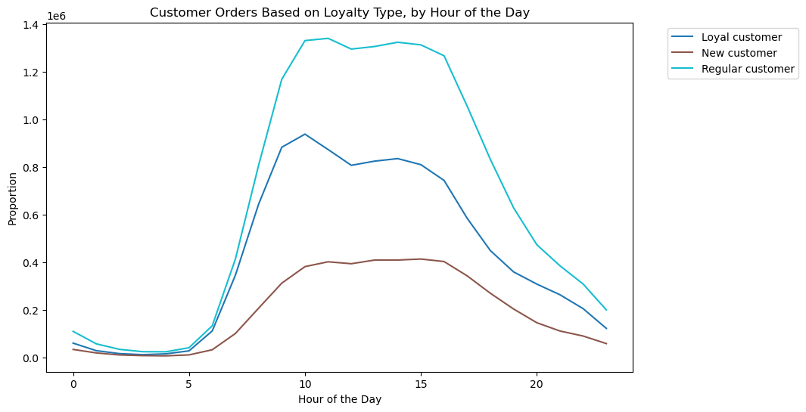 |  |  |  |  | 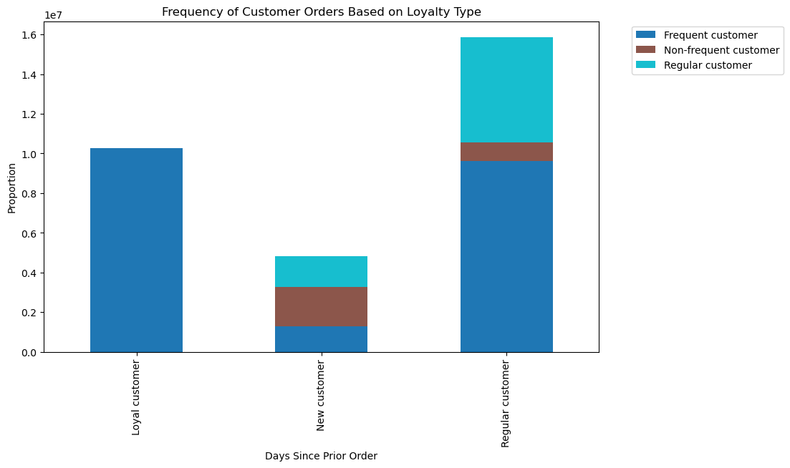

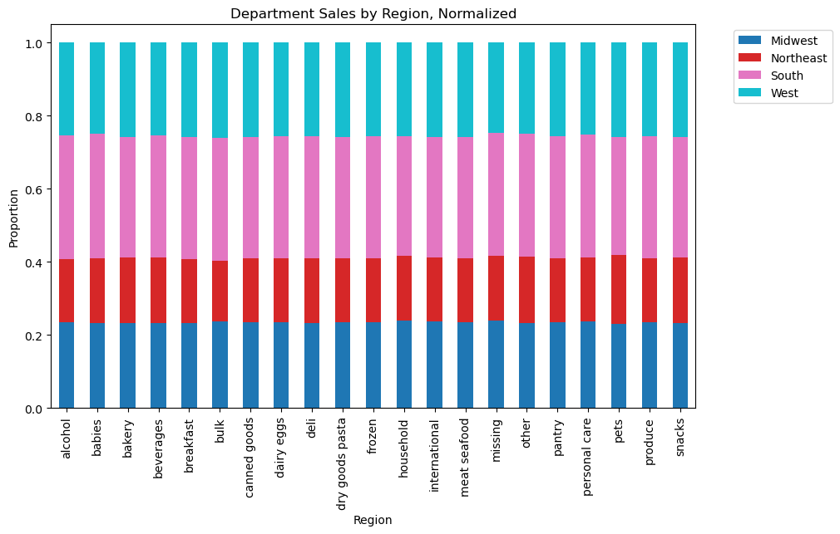
 |  |  |  |  |  |  | Question | Answer
 |  |  |  |  |  |  | 7. Are there differences in ordering habits based on a customer’s region? | Overall, shoppers in the south make up the bulk of the Instacart customer base at around 33%. They place the most orders out of any region, though all regions follow a similar order pattern. Southerners make up the bulk of sales across all departments. However, it's important to note that no region has an increased amount of sales in one specific deparment. Sales per region are pretty consistent in all departments.
 |  |  |  |  |  |  | Recommendation
 |  |  |  |  |  |  | We should increase our marketing efforts in the Northeast. We can send out some discount codes or credit vouchers for $5 - $10 to incentivize them to make more purchases. Since we don't see any differences in department sales, we can follow a similar strategy to recommendation 4 when it comes to advertising certain departments to each region.

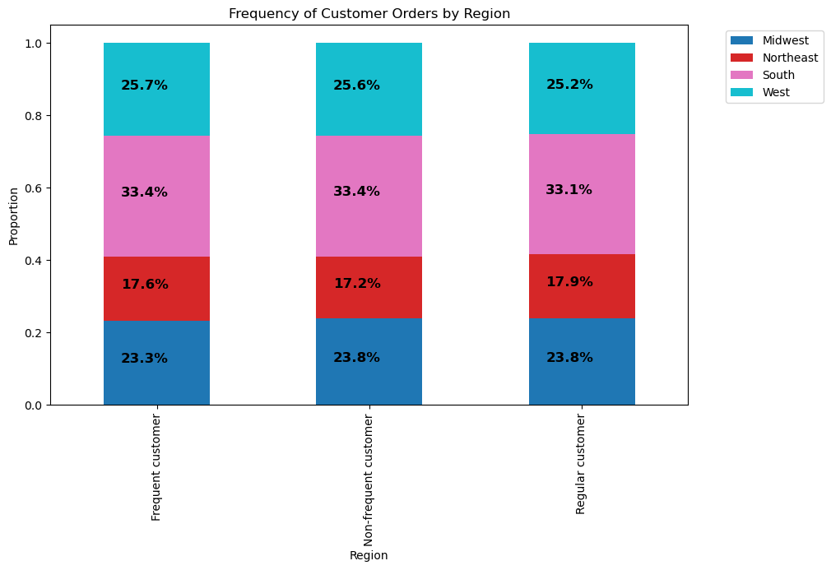 |  |  |  | 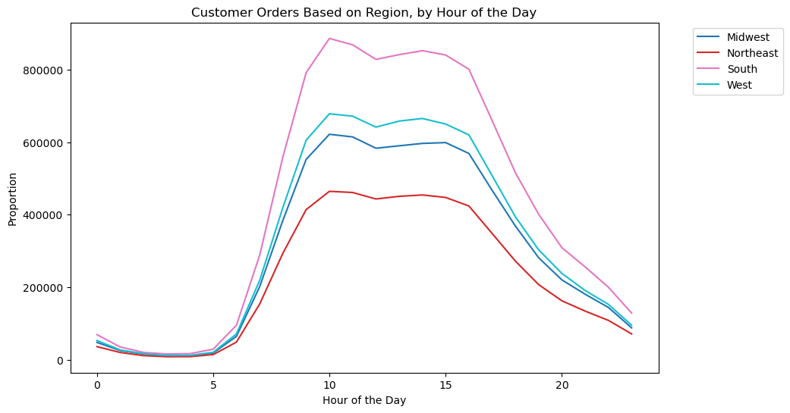 |  |  | 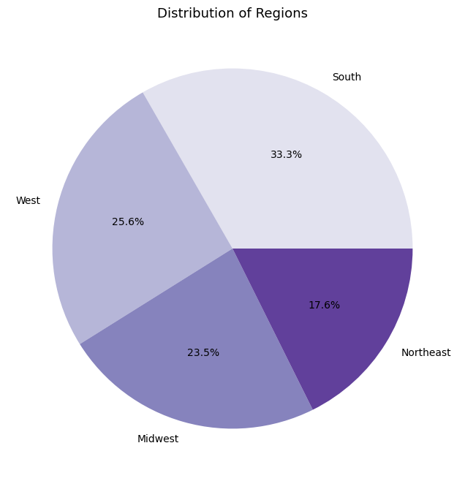

 |  |  |  |  |  |  | Question | Answer
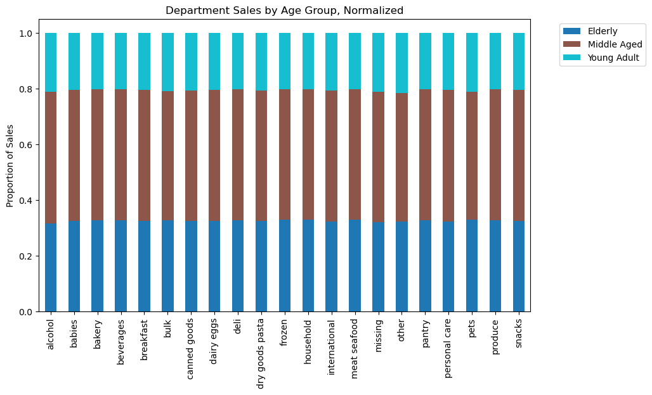 |  |  |  |  |  |  | 8. Is there a connection between age and family status in terms of ordering habits? | The majority of customers are middle-aged (47%), with the eledrly customers making up the second-most user-base at about 32% and lastly young adults making up the smallest percentage of users. Married folk make up the majority of our users at 70%. These percentages carry over in department sales when we look by age group and family status. Middled-aged users and married users spend the most across all departments. As we've seen in much of our analysis, no age group or type of family status has an impact on sales in any particular department. Sales are even across every department regardless of age group or family status.
 |  |  |  |  |  |  | Recommendation
 |  |  |  |  |  |  | This data shows us that previous efforts like our "dinner date night at home" marketing bundle may play very well with our users since 70% are married. We can use this data to formulate more packages such as these knowing our user base may be more susceptible to this kind of marketing. Our age data can also inform us what kind of products we target to which age group. We can do further analysis to see exactly what products each age group is buying and therefore market those along with discounts and more bundles.
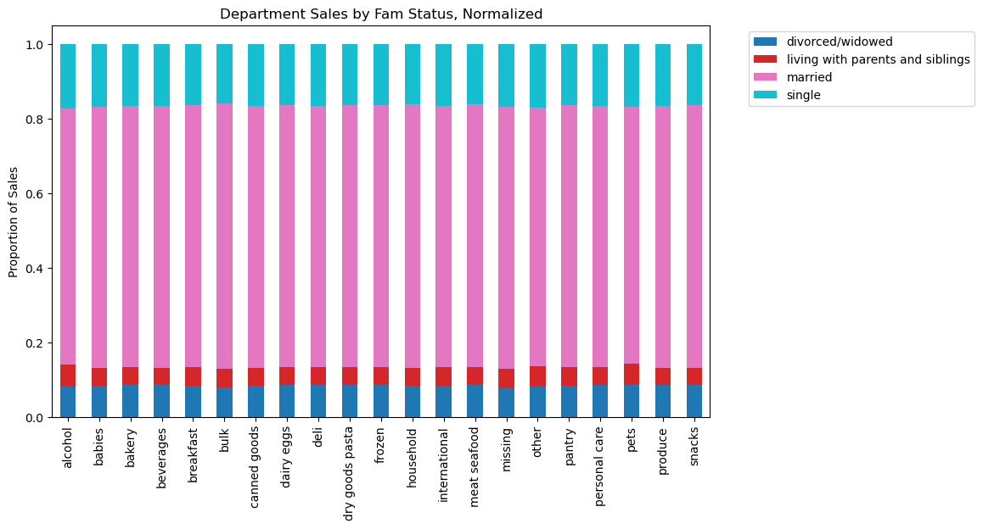 |  |  |  |  |  |  | 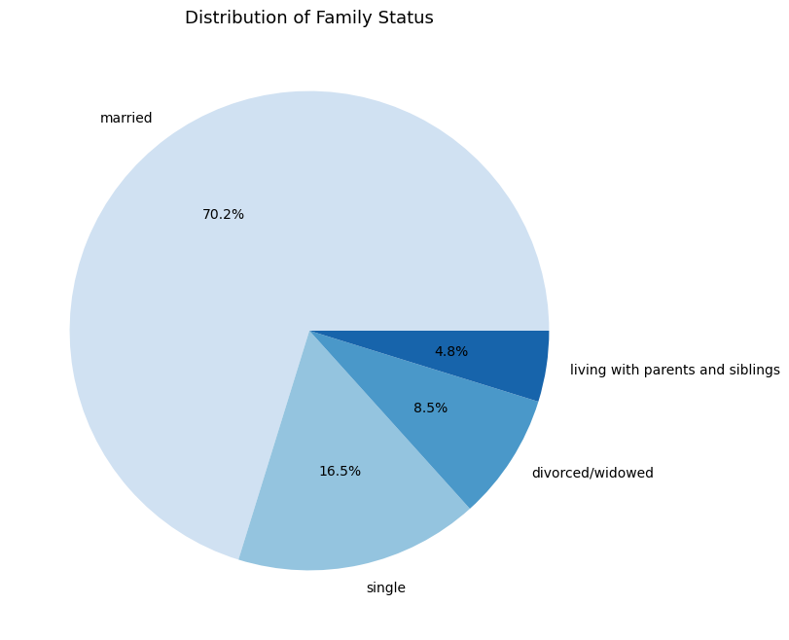

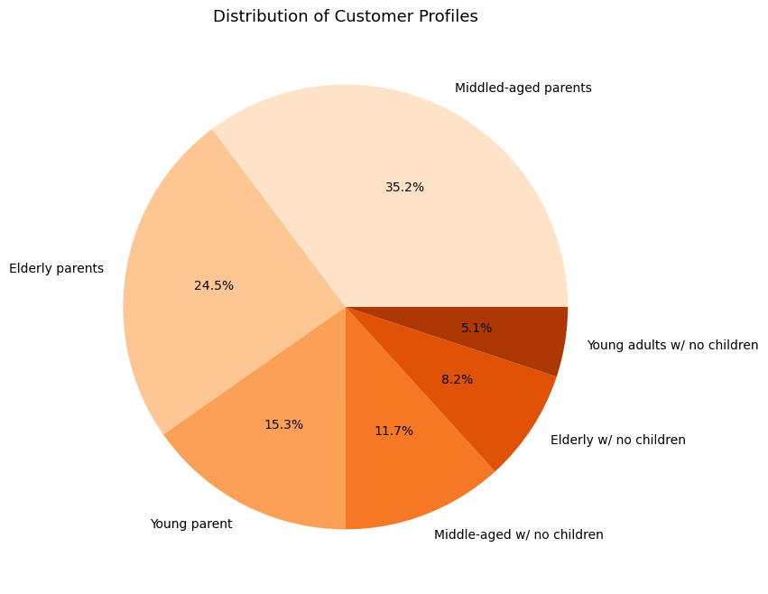

 |  |  |  |  |  |  | Question | Answer
 |  |  |  |  |  |  | 9. What different classifications does the demographic information suggest? Age? Income? Certain types of goods? Family status? | We used age and family status demographics to create Customer Profiles highlighting three age groups: young (ages 18-30), middle-aged (31-60), and elderly (61+). We then showed the amount of each age group with and without children (using the dependants information that we have). We found that the bulk of our users are Middle-aged parents (about 35%). Elederly parents make up just under 25% of our users. The rest of the breakdown can be seen in the pie chart to the left. Moreover, we found that the average expenses were similar across all customer profiles. Lastly, the average frequency of orders was also quite similar across all customer profiles.
 |  |  |  |  |  |  | Recommendation
 |  |  |  |  |  |  | Since parents make up the majority of our users, regardless of age group, we should focus marketing efforts on products that parents are interested in the most such as baby items, bulk items, personal care, etc. We should then follow similar recommendations to recommdation 8 when it comes to advertising to the various age groups.
 |  |  |  |  |  | 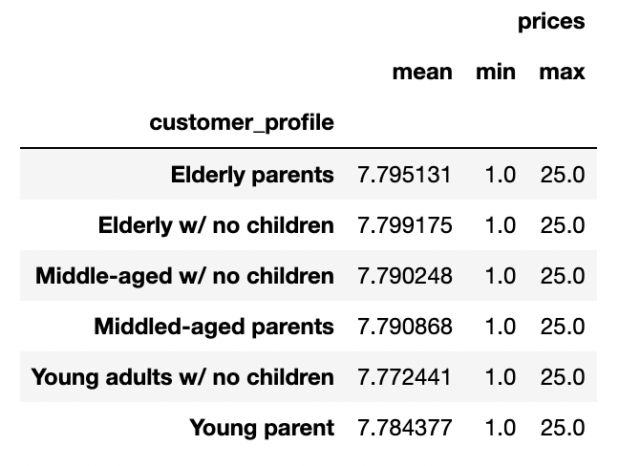 | 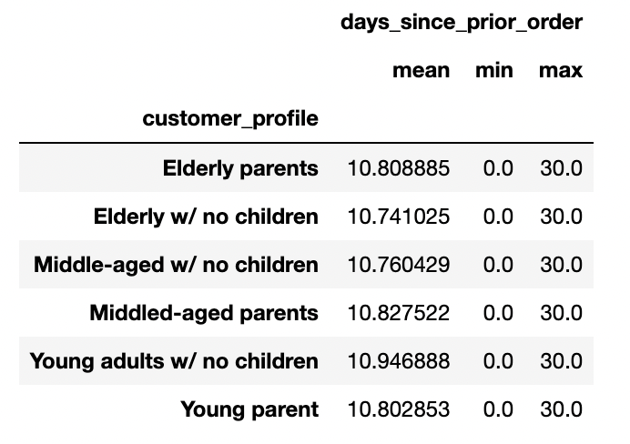

 |  |  |  |  |  |  | Question | Answer
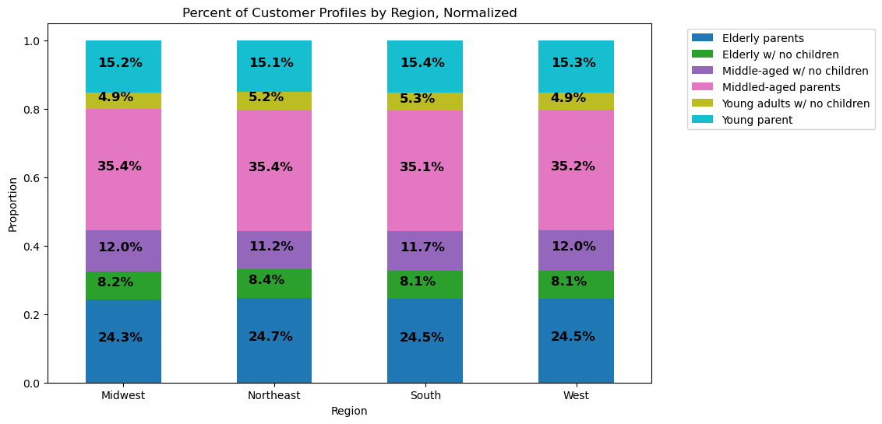 |  |  |  |  |  |  | 10. What differences can you find in ordering habits of different customer profiles? Consider the price of orders, the frequency of orders, the products customers are ordering, and anything else you can think of. | When looking at the breakdown of customer profiles by region and by frequency of orders, we see similar percentages to that of our breakdown across the whole platform. When we look at department sales, we also see very similar spending habits as we've seen across the whole platform. However, we do see a few things of note: -Both middle-aged parents and elderly parents spend more on canned goods than in the deli whereas the same age groups with no children both spend more in the deli than canned goods. -Both middle-aged parents and elderly parents spend more on bulk goods than other goods whereas the same age groups with no children both spend more on other goods than bulk goods. -Middle-aged parents spend more on meat/seafood than breakfast compared to middle-aged persons with no children. -In an interesting twist, young parents spend more on personal care than babies compared to young adults with no children.
 |  |  |  |  |  |  | Recommendation
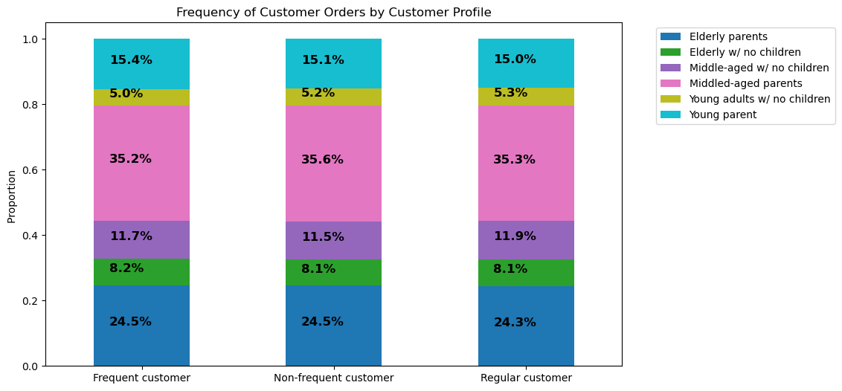 |  |  |  |  |  |  | Since most of the department sales follow the same pattern we've seen across the whole platform, we shall approach marketing efforts the same way we did in recommendation 4. However, we will look to target middle-aged and elderly parents with buy one/two get one deals to incentivize purchases in that department. We will focus deli department ads on middle-aged and elederly persons with no children. We will also focus on upselling premium meat/seafood brands to middle-aged parents since they are more likely to make those purchases compared to their childless counterparts. Lastly, we will bundle bulk goods with baby goods to incentivize middle-aged and elderly parents to make more purchases in both departments.

